Section0
Solving a Quadratic Equation by Completing the Square
A MUST SEE: http://www.khanacademy.org/math/trigonometry/polynomial_and_rational/quad_formula_tutorial/v/solving-quadratic-equations-by-completing-the-square
To solve the quadratic equation: aX2 + bX + c = 0
Rearrange as: aX2 + bX = -c
e.g.: 2 X^2 + 5X = 33
 | a | b | c
 | 2 | 5 | -33
Divide by a: |  | b/a | c/a
 | 1 | 2.5 | -16.5

Consider a square of side length X (blue line)
Plus two rectangles of side lengths X and b/2a (red line)
And a square of side length b/2a (green line)
Then the area of the blue square + red rectangles = X2 + 2(b/2a)X = -c/a
Hence equating the area of the outer square of side (X + b/2a) to the area (-c/a + area of green square):
 | (X + (b/2a))2 = -c/a + (b/2a)2
0 | 0 | 0 | 3 | 3 | 3
0 | 3 | 0 | 4.25 | 4.25 | 3
3 | 3 | 3 | 4.25 | 4.25 | 4.25
3 | 0 | 3 | 0 | 3 | 4.25
0 | 0 | 0 | 0 | 3 | 3
 |  | 3 | 0
 |  | 3 | 3
 |  | 4.25 | 3
 |  | 4.25 | 0
 |  | 3 | 0
 | X + (b/2a) = ±(-c/a + (b/2a)2)0.5
 | X = -(b/2a) ±(-c/a + (b/2a)2)0.5
 | Which can be rearranged as the usual quadratic formula:
 | X = (-b ± (b2 - 4ac)0.5) / 2a

 | For example
 | ( X+ b/2a)^2 = |  | 18.0625
 | X + b/2a = ± |  | 4.25
 | X = | 3 | or -5.5

Section3
Newton's Solver Method

Cash Flows & IRR |  | 2013-11-25 | 2014-11-25 | 2015-11-25 | 2016-11-25 | 2017-11-25 | 2018-11-25 | 2019-11-25 | 2020-11-25 | 2021-11-25 | 2022-11-25 | 2023-11-25
 |  | 0 | 1 | 2 | 3 | 4 | 5 | 6 | 7 | 8 | 9 | 10
Subordinated Notes |  |  | 1.000 | 2.000 | 3.003 | 4.003 | 5.003 | 6.003 | 7.005 | 8.005 | 9.005 | 10.005
Initial Investment |  | $(40,000)
Cash Interest |  |  | $- | $- | $- | $- | $- | $97 | $- | $- | $- | $-
Repayment |  |  | $- | $- | $- | $- | $47,701 | $2,147 | $- | $- | $- | $-
Principal |  |  | $- | $- | $- | $- | $- | $- | $- | $- | $- | $-
Participation on Exit |  |  | $- | $- | $- | $- | $- | $- | $- | $- | $121,578 | $-
IRR | 21.41% | $(40,000) | $- | $- | $- | $- | $47,701 | $2,243 | $- | $- | $121,578 | $-

CONTROL | TRUE |  | 0.0000
Guess Value | 50%

f(x) = | -40000.00 + 47700.74*1/(1+x)^5 + 2243.13*1/(1+x)^6 + 121578.17*1/(1+x)^9
f '(x) = | -238503.72*1/(1+x)^6 + -13458.76*1/(1+x)^7 + -1094203.51*1/(1+x)^10
 |  |  |  |  |  | -40000.00 + 47700.74*1/(1+xx)^5 + 2243.13*1/(1+xx)^6 + 121578.17*1/(1+xx)^9
 |  | x | f(x) | f '(x) |  | dx = | 0.008
 |  | 20.0000% | 3483.7411 | -260350.4819 |  | from x = | 10.00%
 |  | 21.3381% | 163.3740 | -236379.3071 |  | to x = | 50.00%
 |  | 21.4072% | 0.4036 | -235212.4405 |  | 10.00% | 42,445.60734
 |  | 21.4074% | 0.0000 | -235209.5518 |  | 10.80% | 38,082.42650
 |  | 21.4074% | 0.0000 | -235209.5517 |  | 11.60% | 33,993.35723
 |  | 21.4074% | 0.0000 | -235209.5517 |  | 12.40% | 30,158.80024
 |  | 21.4074% | 0.0000 | -235209.5517 |  | 13.20% | 26,560.71042
 |  | 21.4074% | 0.0000 | -235209.5517 |  | 14.00% | 23,182.46243
 |  | 21.4074% | 0.0000 | -235209.5517 |  | 14.80% | 20,008.72876
 |  | 21.4074% | 0.0000 | -235209.5517 |  | 15.60% | 17,025.36919
 |  | 21.4074% | 0.0000 | -235209.5517 |  | 16.40% | 14,219.33030
 |  | 21.4074% | 0.0000 | -235209.5517 |  | 17.20% | 11,578.55422
 |  | 21.4074% | 0.0000 | -235209.5517 |  | 18.00% | 9,091.89570
 | If you picked a "good" initial x-value, | 21.4074% | 0.0000 | -235209.5517 |  | 18.80% | 6,749.04649
 | then IRR should be here --- >>> | 21.4074% | 0.0000 | -235209.5517 |  | 19.60% | 4,540.46669 |  |  |  |  |  | Newton's Method
 |  |  |  |  |  | 20.40% | 2,457.32199
 |  | x | f(x) | f'(x) |  | 21.20% | 491.42658
 |  | 20.00% | 3,483.741128 | (260,350.481852) |  | 22.00% | (1,364.80896)
 |  | 21.34% | 163.373953 | (236,379.307138) |  | 22.80% | (3,118.42533)
 |  | 21.41% | 0.403626 | (235,212.440538) |  | 23.60% | (4,775.95795)
 |  | 21.41% | 0.000002 | (235,209.551753) |  | 24.40% | (6,343.47673)
 |  | 21.41% | 0.000000 | (235,209.551735) |  | 25.20% | (7,826.62245)
 |  | 21.41% | (0.000000) | (235,209.551735) |  | 26.00% | (9,230.64007)
 |  | 21.41% | 0.000000 | (235,209.551735) |  | 26.80% | (10,560.40919)
 |  | 21.41% | (0.000000) | (235,209.551735) |  | 27.60% | (11,820.47205)
 |  | 21.41% | 0.000000 | (235,209.551735) |  | 28.40% | (13,015.05915)
 |  | 21.41% | (0.000000) | (235,209.551735) |  | 29.20% | (14,148.11273) |  |  |  |  |  |  | '-------------------------------------------------------------------------------
 |  | 21.41% | 0.000000 | (235,209.551735) |  | 30.00% | (15,223.30844)
 |  | 21.41% | (0.000000) | (235,209.551735) |  | 30.80% | (16,244.07513)
 |  | 21.41% | 0.000000 | (235,209.551735) |  | 31.60% | (17,213.61312)
 |  | 21.41% | (0.000000) | (235,209.551735) |  | 32.40% | (18,134.91095)
 | 21.407% | 21.41% | 0.000000 | (235,209.551735) |  | 33.20% | (19,010.76085) |  |  |  |  |  |  | '-------------------------------------------------------------------------------
 |  |  |  |  |  | 34.00% | (19,843.77294) |  |  |  |  |  |  | 'Optional Reading:
 |  |  |  |  |  | 34.80% | (20,636.38832)
 |  |  |  |  |  | 35.60% | (21,390.89116)
 |  |  |  |  |  | 36.40% | (22,109.41984)
 |  |  |  |  |  | 37.20% | (22,793.97722)
 |  |  |  |  |  | 38.00% | (23,446.44013)
 |  |  |  |  |  | 38.80% | (24,068.56812) |  |  |  |  |  |  | '-------------------------------------------------------------------------------
 |  |  |  |  |  | 39.60% | (24,662.01159)
 |  |  |  |  |  | 40.40% | (25,228.31927)
 |  |  |  |  |  | 41.20% | (25,768.94517)
 |  |  |  |  |  | 42.00% | (26,285.25494)
 |  |  |  |  |  | 42.80% | (26,778.53190)
 |  |  |  |  |  | 43.60% | (27,249.98247)
 |  |  |  |  |  | 44.40% | (27,700.74132)
 |  |  |  |  |  | 45.20% | (28,131.87610)
 |  |  |  |  |  | 46.00% | (28,544.39181)
 |  |  |  |  |  | 46.80% | (28,939.23493)
 |  |  |  |  |  | 47.60% | (29,317.29713)
 |  |  |  |  |  | 48.40% | (29,679.41890)
 |  |  |  |  |  | 49.20% | (30,026.39270)
 |  |  |  |  |  | 50.00% | (30,358.96613)

Section4
Circular Reference in Microsoft Excel

Derive Implied Share Price For publicly traded companies, implied equity value is divided by the company’s fully diluted shares outstanding to calculate an implied share price

Implied Share Price = Implied Equity Value / Fully Diluted Shares Outstan

The existence of in-the-money options and warrants, however, creates a circular reference (http://en.wikipedia.org/wiki/Circular_reference) in the basic formula shown above
between the company’s fully diluted shares outstanding count and implied share price. In other words, equity value per share is dependent on the number of fully diluted shares
outstanding, which, in turn, is dependent on the implied share price. This is remedied in the model by activating the iteration function in Microsoft Excel:

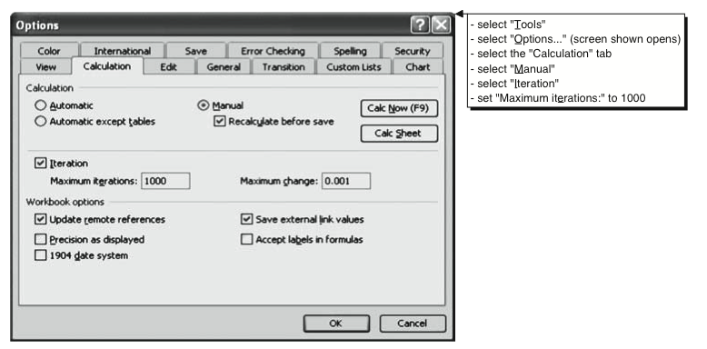

Once the iteration function is activated, the model is able to iterate between the cell determining the company’s implied share price (see shaded area “A” in and those cells determining
whether each option tranche is in-the- money (see shaded area “B”). At an assumed implied equity value of $775 million, 50 million basic shares out- standing, and the
options data shown, we calculate an implied share price of $15.00:

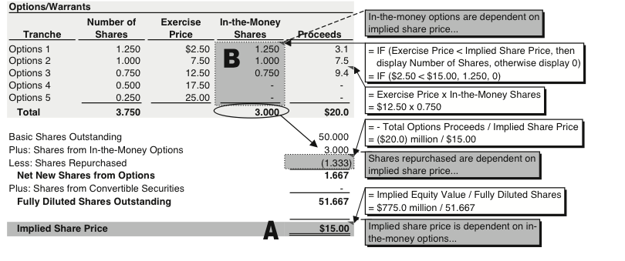

Circular Reference in the calculation of Implied Share Price

Basic Shares Outstanding |  |  | 50 |  |  |  | TRUE
Plus: Shares from In-the-Money Options |  |  | 2.950 | - | 2.9500 | In-the-Money Shares
Less: Shares Repurchased |  |  | (1.324) | - | (1.3240) | Proceeds
Net New Shares from Options |  |  | 1.626 |  | 3.700 | Number of Shares
Plus: Shares from Convertible Securities |  |  | 0.000
Fully Diluted Shares Outstanding |  |  | 51.626
Implied Share Price |  |  | $15.01

Implied Equity Value |  |  | $775.00

Options/Warrants

Tranche | Number of | Exercise | In-the-Money
5 | Shares | Price | Shares | Proceeds | 19.9
Options 1 | 1.200 | $2.50 | 1.200 | 3.0
Options 2 | 1.000 | 7.50 | 1.000 | 7.5
Options 3 | 0.750 | 12.50 | 0.750 | 9.4
Options 4 | 0.500 | 17.50 | - | -
Options 5 | 0.250 | 25.00 | - | -

